Foot Vectors
 | datum |  | angle | vector |  |  | Foot 1 |  | Foot 2 |  | Foot 3 |  | Foot 4 |  | Foot 5 |  | Foot 6 |  | Direction |  | Rotation
 | x | y | theta | x' | y' |  | x | y | x | y | x | y | x | y | x | y | x | y | x | y | x | y
foot 1 | 2.598 | 1.500 | 0.335 | 2.961 | 3.271 | Datum | 2.598 | 1.500 | 0.000 | 3.000 | -2.598 | 1.500 | -2.598 | -1.500 | 0.000 | -3.000 | 2.598 | -1.500 | 0 | 0 | 0 | 0
foot 2 | 0.000 | 3.000 | 0.335 | 0.014 | 3.833 | Vector | 2.961 | 3.271 | 0.014 | 3.833 | -1.947 | 1.563 | -0.961 | -1.271 | 1.986 | -1.833 | 3.947 | 0.437 | 1 | 1 | -1 | 0
foot 3 | -2.598 | 1.500 | 0.335 | -1.947 | 1.563
foot 4 | -2.598 | -1.500 | 0.335 | -0.961 | -1.271
foot 5 | 0.000 | -3.000 | 0.335 | 1.986 | -1.833
foot 6 | 2.598 | -1.500 | 0.335 | 3.947 | 0.437

Resting Radius | 3
Body Radius | 2

Joystick Inputs
 | Variable | Range | Value
Joystick 1 | Qx | (-1 to 1) | 1 | 200
 | Qy | (-1 to 1) | 1 | 200
Joystick 2 | T | (-1 to 1) | 1 | 200

Angles
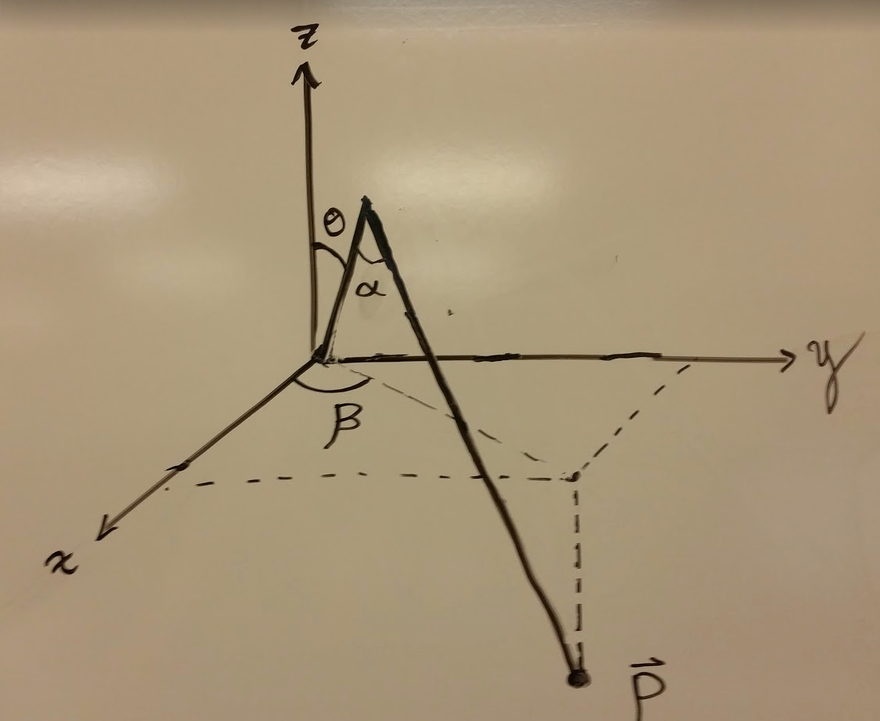
 | Local Coordinates |  |  | Limit Coordinates (min) |  |  | Limit Coordinates (max) |  |  | Foot vector Datum |  |  | Leg Base Coordinates |  |  | Global Coordinates |  |  |  | In Radians |  |  | In Degrees
 | X | Y | Z | X | Y | Z | X | Y | Z | X | Y | Z | X | Y | Z | Angle | X | Y | Z | Alpha | Theta | Beta | Alpha | Theta | Beta
Leg 1 | 7.00 | 2.00 | -6.00 | 2.60 | 1.50 | -2.00 | 10.39 | 6.00 | -0.20 | 6.06 | 3.50 | -1.00 | 11.69 | 6.75 | 0.00 | 0.52 | 16.75 | 11.98 | -6.00 | #NUM! | #NUM! | 0.28 | #NUM! | #NUM! | 15.95
Leg 2 | 7.00 | 0.00 | -2.00 | 0.00 | 3.00 | -2.00 | 0.00 | 12.00 | -0.20 | 0.00 | 7.00 | -1.00 | 0.00 | 13.50 | 0.00 | 1.57 | 0.00 | 20.50 | -2.00 | #NUM! | #NUM! | 0.00 | #NUM! | #NUM! | 0.00
Leg 3 | 7.00 | 0.00 | -2.00 | -2.60 | 1.50 | -2.00 | -10.39 | 6.00 | -0.20 | -6.06 | 3.50 | -1.00 | -11.69 | 6.75 | 0.00 | 2.62 | -17.75 | 10.25 | -2.00 | #NUM! | #NUM! | 0.00 | #NUM! | #NUM! | 0.00
Leg 4 | 7.00 | 0.00 | -2.00 | -2.60 | -1.50 | -2.00 | -10.39 | -6.00 | -0.20 | -6.06 | -3.50 | -1.00 | -11.69 | -6.75 | 0.00 | 3.67 | -17.75 | -10.25 | -2.00 | #NUM! | #NUM! | 0.00 | #NUM! | #NUM! | 0.00
Leg 5 | 7.00 | 0.00 | -2.00 | 0.00 | -3.00 | -2.00 | 0.00 | -12.00 | -0.20 | 0.00 | -7.00 | -1.00 | 0.00 | -13.50 | 0.00 | 4.71 | 0.00 | -20.50 | -2.00 | #NUM! | #NUM! | 0.00 | #NUM! | #NUM! | 0.00
Leg 6 | 7.00 | 0.00 | -2.00 | 2.60 | -1.50 | -2.00 | 10.39 | -6.00 | -0.20 | 6.06 | -3.50 | -1.00 | 11.69 | -6.75 | 0.00 | 5.76 | 17.75 | -10.25 | -2.00 | #NUM! | #NUM! | 0.00 | #NUM! | #NUM! | 0.00

Arm (L_1) | 3.5
Claw (L_2) | 12
Resting Radius | 7
BODY Radius | 13.5
Limit min | 3
Limit max | 12

all in (cm)

